SEC-1
Volume and structure of Frozen Government Securities
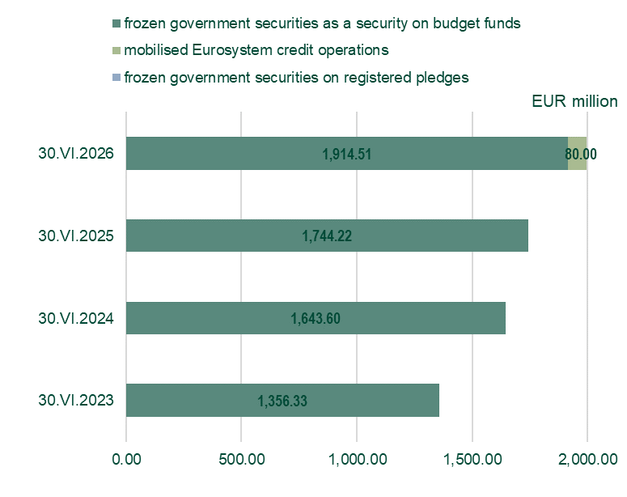

Note: Euro equivalent of government securities issued in BGN before January 1, 2026, is calculated at official conversion rate of 1.95583 per euro.

SEC-2
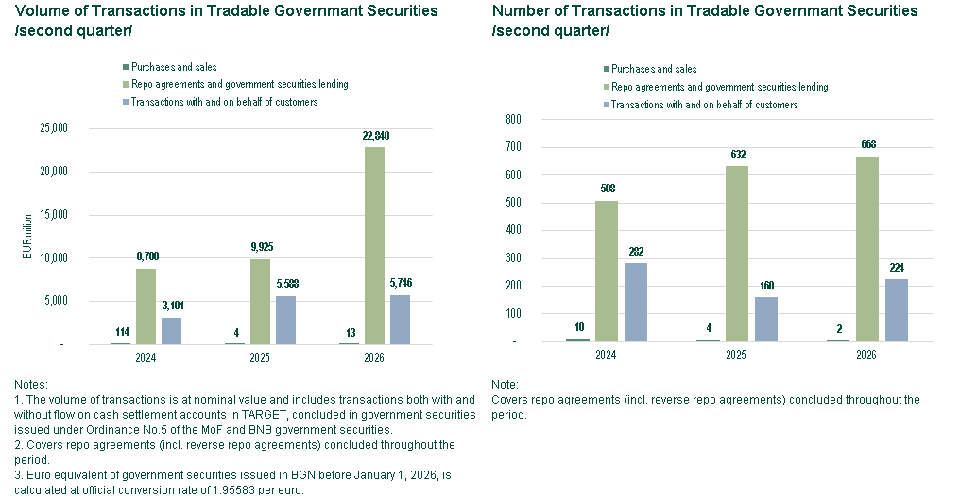

Sec-5
 | from 1 to 3 days | from 4 to 7 days | over 8 days
I | 1.72 | 1.76 | 1.72
II | 2.54 | 2.16 | 2.23
III | 2.28 | 2.43 | 2.53 | ОТПАДА
IV | 2.81 | 2.77 | 2.77
V | 2.74 | 3.02 | 2.83
VI | 3.05 | 3.12 | 2.96
VII | 3.12 | 3.29 | 3.09
VIII | 3.47 | 3.54 | 3.44
IX | 3.53 | 3.63 | 3.45
X | 3.77 | 3.80 | 3.70
XI | 3.76 | 3.79 | 3.73
XII | 3.80 | 3.79 | 3.73

 | From 1 to 3 days | From 4 to 7 days | Over 8 days
VII | 2.26 | 2.28 | 2.29
VIII | 2.08 | 2.14 | 2.13
IX | 1.92 | 1.96 | 1.93
X | 1.83 | 1.87 | 1.87
XI | 1.84 | 1.84 | 1.88
XII | 1.83 | 1.86 | 1.87
I | 1.83 | 1.87 | 1.92
II | 1.84 | 1.85 | 1.88
III | 1.85 | 1.85

SEC-6
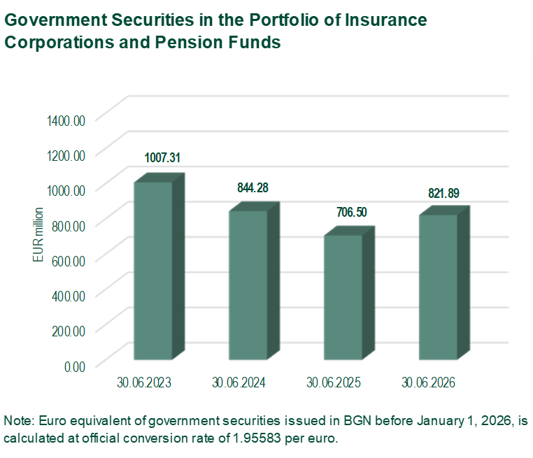
 |  |  |  | EUR million.
 | 31.03.2023 | 31.03.2024 | 31.03.2025 | 31.03.2026
Government Securities in the Portfolio of Insurance Corporations and Pension Funds | 995.23 | 879.88 | 766.48 | 709.62

SEC-8A
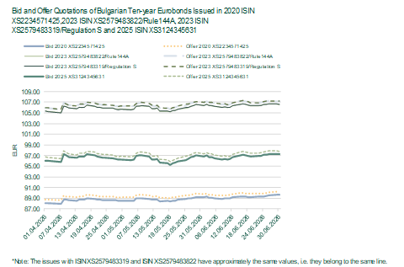
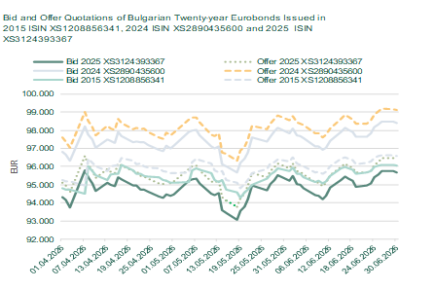

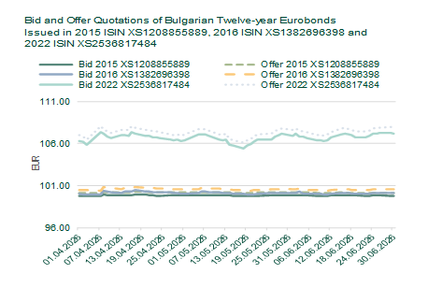
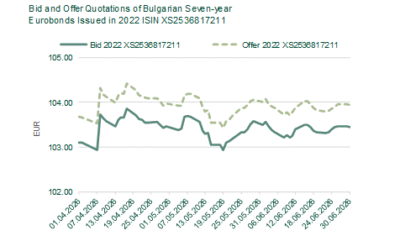

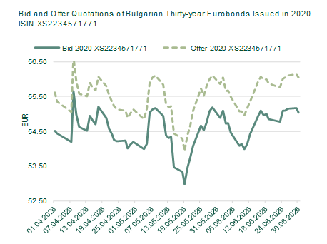
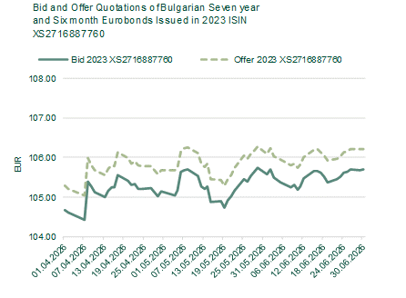

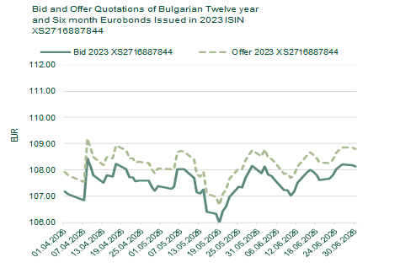
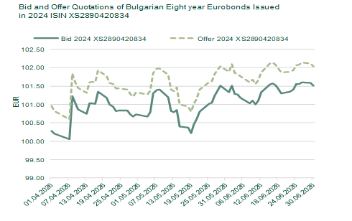

SEC-8B
